LOGIN

 | GLOW & GLAM

CLICK FOR PRODUCTS

EMPLOYEE LOGIN

PRODUCTS
BACK




LIPSTICK | FOUNDATION | EYE MAKEUP

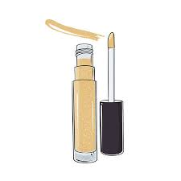
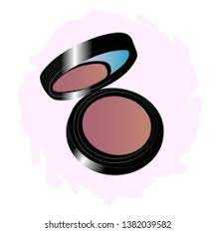
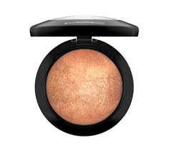

CONCEALER | BLUSH | HIGHLIGHTER

LIPSTICKS
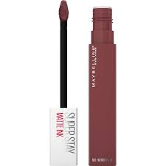
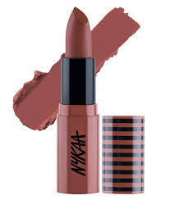
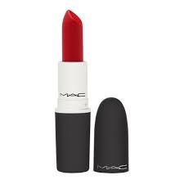

VIEW DETAILS
VIEW DETAILS
VIEW DETAILS

BACK

DETAILS 1
DETAILS

BRAND NAME : | MAYBELLINE NEWYORK

PRODUCT ID : | 1001

QUANTITY : | 5

DESCRIPTION : | A VIBRANT COLOUR SUPER STAY MATTE LIQUID LIPSTICK

PRICE : | ₹ 699.00

BACK

DETAILS 2
DETAILS

BRAND NAME : | NYKA

PRODUCT ID : | 1002

QUANTITY : | 2

DESCRIPTION : | A VIBRANT COLOUR SUPER STAY MATTE LIPSTICK

PRICE : | ₹ 899.00

BACK

DETAILS 3
DETAILS

BRAND NAME : | MAC

PRODUCT ID : | 1003

QUANTITY : | 3

DESCRIPTION : | A VIBRANT COLOUR SUPER STAY BULLET LIPSTICK

PRICE : | ₹ 799.00

BACK

FOUNDATIONS
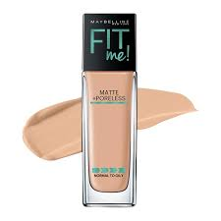
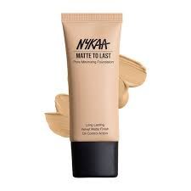
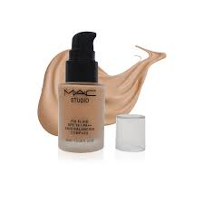

VIEW DETAILS
VIEW DETAILS
VIEW DETAILS

BACK

1
DETAILS

BRAND NAME : | MAYBELLINE NEWYORK

PRODUCT ID : | 2001

QUANTITY : | 2

DESCRIPTION : | A LIQUID FOUNDATION FOR ALL SKIN TYPE

PRICE : | ₹ 899.00

BACK

2
DETAILS

BRAND NAME : | NYKA

PRODUCT ID : | 2002

QUANTITY : | 2

DESCRIPTION : | A LIQUID FOUNDATION FOR ALL SKIN TYPES

PRICE : | ₹ 699.00

BACK

3
DETAILS

BRAND NAME : | MAC

PRODUCT ID : | 2003

QUANTITY : | 3

DESCRIPTION : | A LIQUID FOUNDATION FOR ALL SKIN TYPES

PRICE : | ₹ 799.00

BACK

EYEMAKEUP
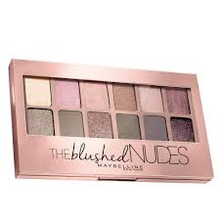
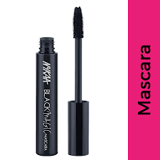
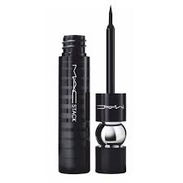

VIEW DETAILS
VIEW DETAILS
VIEW DETAILS

BACK

EYESHADOW
DETAILS

BRAND NAME : | MAYBELLINE NEWYORK

PRODUCT ID : | 3001

QUANTITY : | 2

DESCRIPTION : | A COLLECTION OF 12 HIGHLY PIGMENTED SHADES

PRICE : | ₹ 899.00

BACK

MASCARA
DETAILS

BRAND NAME : | NYKA

PRODUCT ID : | 3002

QUANTITY : | 2

DESCRIPTION : | A LENGTHENING AND VOLUMIZING MASCARA

PRICE : | ₹ 699.00

BACK

EYELINER
DETAILS

BRAND NAME : | MAC

PRODUCT ID : | 3003

QUANTITY : | 3

DESCRIPTION : | A WATER PROOF AND SMUDGE PROOF EYELINER

PRICE : | ₹ 799.00

BACK

CONCEALER
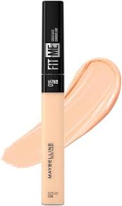
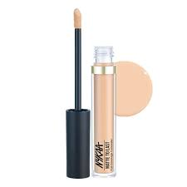
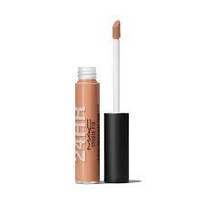

VIEW DETAILS
VIEW DETAILS
VIEW DETAILS

BACK

C1
DETAILS

BRAND NAME : | MAYBELLINE NEWYORK

PRODUCT ID : | 4001

QUANTITY : | 2

DESCRIPTION : | A FULL COVERAGE LIQUID CONCEALER FOR ALL SKIN TYPE

PRICE : | ₹ 299.00

BACK

C2
DETAILS

BRAND NAME : | NYKAA

PRODUCT ID : | 4002

QUANTITY : | 2

DESCRIPTION : | A FULL COVERAGE LIQUID CONCEALER FOR ALL SKIN TYPES

PRICE : | ₹ 699.00

BACK

C3
DETAILS

BRAND NAME : | MAC

PRODUCT ID : | 4003

QUANTITY : | 3

DESCRIPTION : | A FULL COVERAGE LIQUID CONCEALER FOR ALL SKIN TYPES

PRICE : | ₹ 499.00

BACK

BLUSH
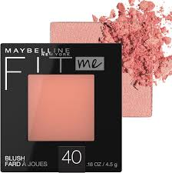
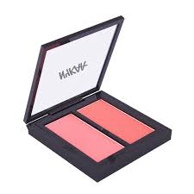
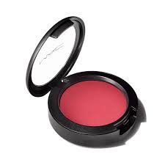

VIEW DETAILS
VIEW DETAILS
VIEW DETAILS

BACK

B1
DETAILS

BRAND NAME : | MAYBELLINE NEWYORK

PRODUCT ID : | 5001

QUANTITY : | 2

DESCRIPTION : | A NATURAL LOOKING BLUSH POWDER

PRICE : | ₹ 299.00

BACK

B2
DETAILS

BRAND NAME : | NYKAA

PRODUCT ID : | 4002

QUANTITY : | 2

DESCRIPTION : | A NATURAL LOOKING BLUSH POWDER

PRICE : | ₹ 699.00

BACK

B3
DETAILS

BRAND NAME : | MAC

PRODUCT ID : | 4003

QUANTITY : | 3

DESCRIPTION : | A NATURAL LOOKING BLUSH POWDER FOR ALL SKIN TYPES

PRICE : | ₹ 499.00

BACK

HIGHLIGHTER
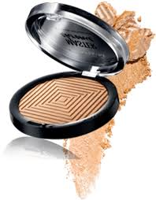
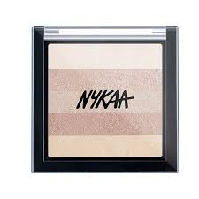
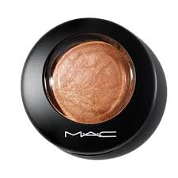

VIEW DETAILS
VIEW DETAILS
VIEW DETAILS

BACK

H1
DETAILS

BRAND NAME : | MAYBELLINE NEWYORK

PRODUCT ID : | 6001

QUANTITY : | 2

DESCRIPTION : | A LIGHTWEIGHT GLOWING POWDER HIGHLIGHTER

PRICE : | ₹ 299.00

BACK

H2
DETAILS

BRAND NAME : | NYKAA

PRODUCT ID : | 6002

QUANTITY : | 2

DESCRIPTION : | A LIGHTWEIGHT GLOWING POWDER HIGHLIGHTER

PRICE : | ₹ 699.00

BACK

H3
DETAILS

BRAND NAME : | MAC

PRODUCT ID : | 4003

QUANTITY : | 3

DESCRIPTION : | A LIGHTWEIGHT GLOWING POWDER HIGHLIGHTER

PRICE : | ₹ 499.00

BACK

EMPLOYEE LOGIN




BACK

ORDERS
NEXT
BRAND NAME | PRODUCT NAME | QUANTITY | FULL NAME | PHONE NO | EMAIL ID | PIN CODE | STREET / CITY | PAYMENT MODE
MAYBELLINE | LIPSTICK | 2 | SHAHEENA | 9207235689 | shaheena12@gmail.com | 676525 | Nilambur | CREDIT/DEBIT CARDS
NYKAA | MASCARA | 1 | SHAHMINA | 9678524136 | shahmina@gmail.com | 673641 | Ernad | DIGITAL WALLETS
MAC | EYELINER | 2 | LISA MILLER | 9785421234 | lisa@gmail.com | 679585 | Ponani | CASH ON DELIVERY
MAYBELLINE | EYESHADOW | 1 | AMANDA WHITE | 9578452514 | amanda@gmail.com | 676102 | Tirur | CASH ON DELIVERY
MAC | LIPSTICK | 2 | EMILY DAVIS | 8125458786 | emily@gmail.com | 679357 | Perintalmanna | CASH ON DELIVERY
MAYBELLINE | FOUNDATION | 1 | SARAH | 9254786321 | sarah@gmail.com | 679332 | Nilambur | CREDIT/DEBIT CARDS
NYKAA | LIPSTICK | 2 | SIYA GUPTA | 8521457863 | siya@gmail.com | 679339 | Nilambur | CASH ON DELIVERY
NYKAA | FOUNDATION | 1 | AADHYA | 9652147878 | aadhya123@gmail.com | 676123 | Ernad | CASH ON DELIVERY
MAYBELLINE | BLUSH | 2 | ANIKA | 9823564785 | anika953@gmail.com | 676525 | Nilambur | CASH ON DELIVERY
MAC | LIPSTICK | 1 | ANANYA | 8542157820 | ananya32@gmail.com | 679322 | Perinthalmanna | DIGITAL WALLETS
MAYBELLINE | CONCEALER | 2 | SARAH BROWN | 9356897412 | sarah@gmail.com | 679503 | Ottappalam | CASH ON DELIVERY
NYKAA | FOUNDATION | 3 | LISA MILLER | 8652147896 | lisa@gmail.com | 678581 | Mannarkad | CREDIT/DEBIT CARDS
MAC | EYELINER | 2 | ZOYA | 9785426354 | zoya@gmail.com | 679302 | Ottapalam | CREDIT/DEBIT CARDS
MAC | FOUNDATION | 1 | EMILY DAVIS | 9207235689 | emily@gmail.com | 678008 | Palakkad | CASH ON DELIVERY
MAYBELLINE | HIGHLIGHTER | 2 | AMANDA WHITE | 9678524136 | amanda@gmail.com | 678506 | Chittur | DIGITAL WALLETS
NYKAA | MASCARA | 1 | AMAIRA | 9785421234 | amaira123@gmail.com | 682041 | Kanayannur | CREDIT/DEBIT CARDS
MAYBELLINE | CONCEALER | 2 | EMILY DAVIS | 9578452514 | emily@gmail.com | 683544 | Kunnathunad | CASH ON DELIVERY
MAC | LIPSTICK | 2 | NOURIN | 8125458786 | nourin95@gmail.com | 683541 | Kunnathunad | CASH ON DELIVERY
NYKAA | CONCEALER | 2 | SAFNA | 9254786321 | safna123@gmail.com | 686692 | Kothamangalam | CREDIT/DEBIT CARDS
MAYBELLINE | HIGHLIGHTER | 1 | SANIYA | 8521457863 | saniya9823@gmail.com | 683579 | Paravur | CASH ON DELIVERY
MAC | EYELINER | 2 | SHAHANA | 9652147878 | shahana@gmail.com | 683511 | Paravur | DIGITAL WALLETS
MAYBELLINE | FOUNDATION | 2 | SHADIYA | 9823564785 | shadiya12@gmail.com | 676525 | Nilambur | CREDIT/DEBIT CARDS
MAC | HIGHLIGHTER | 2 | SHAMNA | 8542157820 | shamna@gmail.com | 673641 | Ernad | DIGITAL WALLETS
MAYBELLINE | LIPSTICK | 1 | NAHOOFA SHARIN | 9356897412 | noufa123@gmail.com | 679585 | Ponani | DIGITAL WALLETS
NYKAA | MASCARA | 1 | SHAMLEENA | 8652147896 | shamli123@gmail.com | 676102 | Tirur | CASH ON DELIVERY
NYKAA | HIGHLIGHTER | 2 | LISA MILLER | 9785426354 | lisa@gmail.com | 676123 | Ernad | CASH ON DELIVERY
MAC | CONCEALER | 2 | DAKSHA | 9207235689 | daksha12@gmail.com | 676525 | Nilambur | DIGITAL WALLETS
NYKAA | FOUNDATION | 1 | ISHAL | 9678524136 | ishal234@gmail.com | 679322 | Perinthalmanna | CASH ON DELIVERY
MAC | LIPSTICK | 1 | AYMA | 9785421234 | ayma@gmail.com | 679503 | Ottappalam | DIGITAL WALLETS

MAYBELLINE | LIPSTICK | 1 | dfgtgs | 424547224 | fhgbdffg | 86767 | xfcgfhjh | DIGITAL WALLETS
MAYBELLINE | LIPSTICK | 1 | dfsdgsfgs | 899676 | fgfhh | 5777 | xdgdfg | DIGITAL WALLETS
MAYBELLINE | LIPSTICK | 1 | dfsdgsfgs | 899676 | fgfhh | 5777 | xdgdfg | DIGITAL WALLETS
MAYBELLINE | LIPSTICK | 1 | DFGDHDGH | 56867869 | GNFJNFH | 67868 | XGHDGJD | CREDIT/DEBIT CARDS
MAYBELLINE | LIPSTICK | 1 | DFGDHDGH | 56867869 | GNFJNFH | 67868 | XGHDGJD | CREDIT/DEBIT CARDS
MAYBELLINE | LIPSTICK | 1 | FDFHGJYJ | 867564 | SGFFH | 90896 | GHFHHJ | CASH ON DELIVERY
MAYBELLINE | LIPSTICK | 1 | dssgdg | 158989 | dsg | 2474 | dfrdyh | CASH ON DELIVERY
MAYBELLINE | LIPSTICK | 1 | ramshad | 855155 | sadsfdg | 5545 | sdffddf | DIGITAL WALLETS

TRACKING DETAILS
BRAND NAME | PRODUCT NAME | CUSTOMER NAME | QUANTITY | ORDER DATE | DELIVERY DATE | DELIVERY STATUS | TRACKING NUMBER
MAYBELLINE | LIPSTICK | SHAHEENA | 2 | 2024-05-07 | 25/7/2024 | DELIVERED | ER0001
NYKAA | MASCARA | SHAHMINA | 1 | 30/6/2024 | 2024-06-08 | DELIVERED | ER0002
MAC | EYELINER | LISA MILLER | 2 | 2024-01-08 | 2024-12-08 | PENDING…. | ER0003
MAYBELLINE | EYESHADOW | AMANDA WHITE | 1 | 2024-04-07 | 18/7/2024 | DELIVERED | ER0004
MAC | LIPSTICK | EMILY DAVIS | 2 | 2024-01-08 | 2024-12-08 | PENDING…. | ER0005
MAYBELLINE | FOUNDATION | SARAH | 1 | 2024-05-07 | 25/7/2024 | DELIVERED | ER0006
NYKAA | LIPSTICK | SIYA GUPTA | 2 | 25/7/2024 | 2024-01-08 | DELIVERED | ER0007
NYKAA | FOUNDATION | AADHYA | 1 | 31/7/2024 | 15/8/2024 | PENDING…. | ER0008
MAYBELLINE | BLUSH | ANIKA | 2 | 25/7/2024 | 2024-01-08 | DELIVERED | ER0009
MAC | LIPSTICK | ANANYA | 1 | 25/7/2024 | 2024-06-08 | DELIVERED | ER0010
MAYBELLINE | CONCEALER | SARAH BROWN | 2 | 25/7/2024 | 2024-01-08 | DELIVERED | ER0011
NYKAA | FOUNDATION | LISA MILLER | 3 | 2024-01-08 | 2024-12-08 | PENDING…. | ER0012
MAC | EYELINER | ZOYA | 2 | 25/7/2024 | 2024-01-08 | DELIVERED | ER0013
MAC | FOUNDATION | EMILY DAVIS | 1 | 2024-05-07 | 25/7/2024 | DELIVERED | ER0014
MAYBELLINE | HIGHLIGHTER | AMANDA WHITE | 2 | 25/7/2024 | 2024-01-08 | DELIVERED | ER0015
NYKAA | MASCARA | AMAIRA | 1 | 31/7/2024 | 15/8/2024 | PENDING…. | ER0016
MAYBELLINE | CONCEALER | EMILY DAVIS | 2 | 25/7/2024 | 2024-06-08 | DELIVERED | ER0017
MAC | LIPSTICK | NOURIN | 2 | 2024-01-08 | 2024-12-08 | PENDING…. | ER0018
NYKAA | CONCEALER | SAFNA | 2 | 2024-05-07 | 25/7/2024 | DELIVERED | ER0019
MAYBELLINE | HIGHLIGHTER | SANIYA | 1 | 2024-04-07 | 18/7/2024 | DELIVERED | ER0020
MAC | EYELINER | SHAHANA | 2 | 25/7/2024 | 2024-01-08 | DELIVERED | ER0021
MAYBELLINE | FOUNDATION | SHADIYA | 2 | 2024-01-08 | 2024-12-08 | PENDING…. | ER0022
MAC | HIGHLIGHTER | SHAMNA | 2 | 2024-04-07 | 18/7/2024 | DELIVERED | ER0023
MAYBELLINE | LIPSTICK | NAHOOFA SHARIN | 1 | 31/7/2024 | 15/8/2024 | PENDING…. | ER0024
NYKAA | MASCARA | SHAMLEENA | 1 | 2024-05-07 | 25/7/2024 | DELIVERED | ER0025
NYKAA | HIGHLIGHTER | LISA MILLER | 2 | 2024-04-07 | 18/7/2024 | DELIVERED | ER0026
MAC | CONCEALER | DAKSHA | 2 | 2024-05-07 | 25/7/2024 | DELIVERED | ER0027
NYKAA | FOUNDATION | ISHAL | 1 | 2024-01-08 | 2024-12-08 | PENDING…. | ER0028
MAC | LIPSTICK | AYMA | 1 | 2024-04-07 | 18/7/2024 | DELIVERED | ER0029

BACK

